Sheet
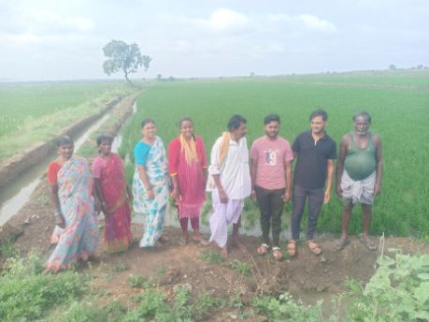
District: | Ballari | Taluk/Block: | Siruguppa
Panchayath: | M. SUGURU
18512 | 1 | KN-05-007-017-072/1127-A | ವಲಿಸಾಬು (M) | 20 Jul 2025 00:00:00:000 | Present
18512 | 2 | KN-05-007-017-072/1127-A | ಶಾಹಶಾಬೀ (F) | 20 Jul 2025 00:00:00:000 | Present
18512 | 3 | KN-05-007-017-072/1303-A | ಎಮ್ ಎಲ್ ಕಾರ್ತಿಕ್ (M) | 20 Jul 2025 00:00:00:000 | Present
18512 | 4 | KN-05-007-017-072/1303-A | ಎಮ್ ಎಲ್ ವಿನಯ್ ಕುಮಾರ್ (M) | 20 Jul 2025 00:00:00:000 | Present
18512 | 5 | KN-05-007-017-072/1303-A | ಕವಿತಾ (F) | 20 Jul 2025 00:00:00:000 | Present
18512 | 6 | KN-05-007-017-072/132 | ಎಮ್ ಪಂಪನಗೌಡ (M) | 20 Jul 2025 00:00:00:000 | Absent
18512 | 7 | KN-05-007-017-072/132 | ಎಮ್ ಪಾರ್ವತಿ (F) | 20 Jul 2025 00:00:00:000 | Absent
18512 | 8 | KN-05-007-017-072/136-A | ಈರಮ್ಮ (F) | 20 Jul 2025 00:00:00:000 | Present
18512 | 9 | KN-05-007-017-072/136-A | ಚಾಗಿ ಪಂಪಾಪತಿ (M) | 20 Jul 2025 00:00:00:000 | Present
18512 | 10 | KN-05-007-017-072/233-A | ಶೇಕಮ್ಮ (F) | 20 Jul 2025 00:00:00:000 | Present

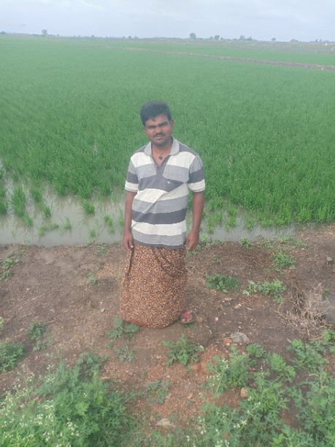
18513 | 1 | KN-05-007-017-072/378-A | ಎಸ್.ಎಂ.ಉಮೇಶ (M) | 20 Jul 2025 00:00:00:000 | Present

